Task 1
1. Distribution of Movies by Genre:
- Create a bar chart to show the count of movies for each genre.
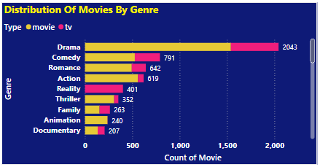

 | Distribution of movies by genre (Bar Chart):

 | Drama leads with 2043 entries, making it the most dominant genre with strong presence in Movie category.
 | Comedy (791), Romance (642), and Action (619) are the next most popular genres.
 | Reality (401) & Sport (180), Talkshow (73), Awards (28), Lifestyle (24) & Food (20) has a strong presence in TV content.
 | Family (263) genre have a good balance between movies and TV content.
 | Animation (240) and Documentary (207) are moderately represented, catering to both TV and movie audiences.
 | TV dominates in Drama and Reality while Movies have a strong presence in Action and Thriller genres.

Task 2
2. Average Running Time by Genre:
- Calculate the average running time for movies in each genre and visualize this using a bar chart.

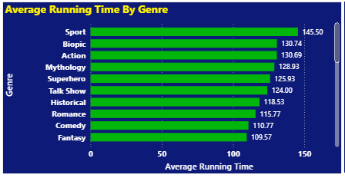

 | Average Running Time by Genre (Bar Chart):

 | Sport has the longest average runtime (145.50 minutes), likely due to extended coverage of events, documentaries, or detailed storytelling.
 | Biopic (130.74 min) and Action (130.69 min) also have long runtimes, possibly due to detailed character development and action sequences.
 | Mythology (128.93 min) and Superhero (125.93 min) genres have long runtimes, reflecting their need for world-building and special effects.
 | Talk Shows (124.00 min) tend to be lengthy, likely due to in-depth discussions and interviews.
 | Historical (118.53 min) and Romance (115.77 min) genres have moderate runtimes, likely due to elaborate storytelling.
 | Comedy (110.77 min) and Fantasy (109.57 min) have the shortest runtimes, indicating a preference for concise storytelling in these genres.
 | Horror has the longest runtime (84.47 min) among these genres, possibly due to suspense-building and complex storytelling.
 | Animation (63.38 min) and Standup Comedy (61.61 min) have moderate runtimes, with animation often being feature-length and standup specials usually lasting about an hour.
 | Documentary (59.43 min) and Docudrama (51.00 min) are slightly shorter, indicating a focused narrative structure.
 | Animals & Nature (50.55 min) and Food (42.00 min) genres tend to be shorter, possibly reflecting episodic formats.
 | Science (38.35 min) and Travel (18.00 min) have significantly shorter runtimes, likely due to their informational nature.
 | Shorts (6.75 min) have the lowest average runtime, as expected for this category.

Task 3
3. Movies Released Each Year:
- Create a line chart to show the number of movies released each year.
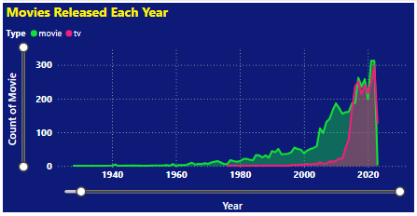

 | Movies Released Each Year (Line Chart)

 | Steady Growth Until 2000 – The number of movies released each year saw gradual growth from the early 1900s until around 2000.
 | Sharp Increase After 2000 – There was a significant surge in movie releases after 2000, likely due to advancements in digital filmmaking, streaming platforms, and increased global production.
 | TV Content Rises Post-2012 – The pink (TV) line shows a sharp rise after 2012, indicating a boom in TV content, likely driven by streaming services.
 | Peak Around 2021 – Both movies and TV releases peaked around 2021, possibly due to increased demand for digital entertainment during the COVID-19 pandemic.
 | Drop After 2022 – A decline is noticeable after 2022, which could be due to production delays caused by the pandemic or market saturation.

Task 4
4. Top 10 Longest Movies:
- Identify and visualize the top 10 longest movies based on running time.

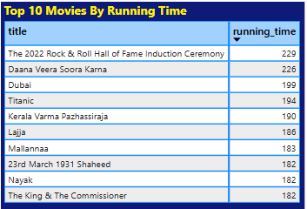

 | Top 10 Movies bases on running time:

 | Only movies have a defined running time, whereas TV shows do not, as they consist of multiple seasons and episodes.

 | Many movies in this list (Kerala Varma Pazhassi Raja, Lajja, Mallannaa, 23rd March 1931 Shaheed, Nayak, The King & The Commissioner) indicate that Indian cinema often produces longer films, particularly in drama and action genres.

Task 5
5. Movies by Age Rating:
- show the distribution of movies by age rating.

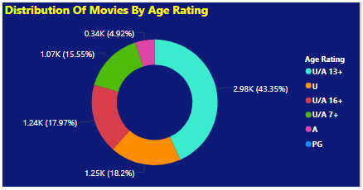

 | Distribution of Movies by Age Rating (Donut Chart):

 | U/A 13+ is the most common rating (2.98K, 43.35%), indicating a preference for content suitable for teenagers with parental guidance.
 | U (1.25K, 18.2%) and U/A 7+ (1.24K, 17.97%) are also significant, showing a substantial number of family-friendly movies.
 | U/A 16+ (1.07K, 15.55%) represents a notable portion, catering to mature audiences with moderate restrictions.
 | A (0.34K, 4.92%) has the least representation, suggesting fewer movies exclusively for adults.
 | PG rating is absent, indicating a different classification system is being used, likely specific to certain regions.

Task 6
6. Count of Movies by Year and Genre:
- t showing the count of movies for each genre over the years.
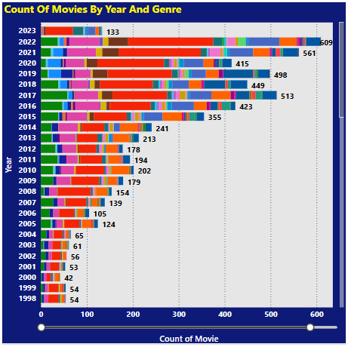
 | Movie by year and genre (Bar Chart)

 | Significant Growth in Movie Production -
 | A steady increase over the years, with a sharp rise after 2015.
 | Peak Years – 2021 (509 movies) and 2022 (561 movies) -
 | Had the highest number of releases, showing a strong post-pandemic recovery.
 | Drama (Red) Dominates -
 | The most produced genre across all years, reflecting its widespread appeal.
 | Comedy (Pink) and Romance (Orange) Growth -
 | These genres saw notable increases, especially after 2010.
 | Action (Green) Shows Steady Growth -
 | A consistent presence with a rise in recent years, likely due to the popularity of blockbuster films.
 | 2019–2022 Had the Most Genre Variety -
 | These years featured a balanced mix of drama, comedy, romance, and action.
 | 2023 Shows a Decline (133 movies so far) -
 | Possibly due to incomplete data or a slowdown in production.
 | Pre-2000 Era Had Fewer Releases -
 | Movie production was significantly lower before 2000, highlighting the industry's massive expansion over time.

Task 7
7. Most Common Movie Types:
- Create a bar chart showing the number of movies for each type (movie, documentary, etc.).
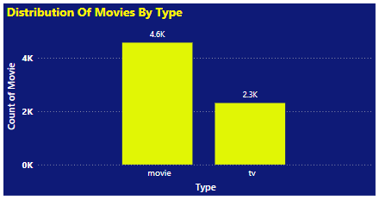

 | Distribution of Movies by Type (Column Chart)

 | Movies dominate the content distribution, with 4.6K movies compared to 2.3K TV shows, indicating a higher production focus on movies.
 | Movies are produced at twice the volume of TV shows, suggesting that standalone films are more common than serialized content.
 | The lower count of TV shows could be due to longer production cycles, as TV series require multiple episodes and seasons, whereas movies are one-time productions.
 | The preference for movies might be influenced by audience demand, budget constraints, or industry trends favoring film production over long-form content.

Task 9
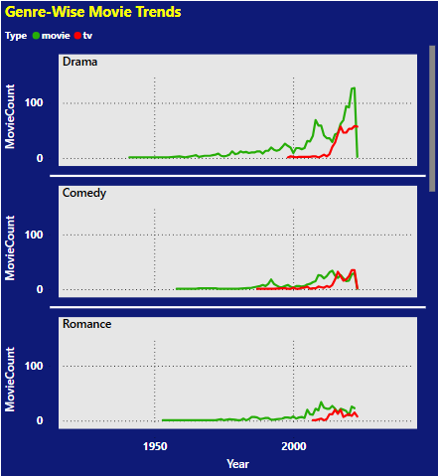
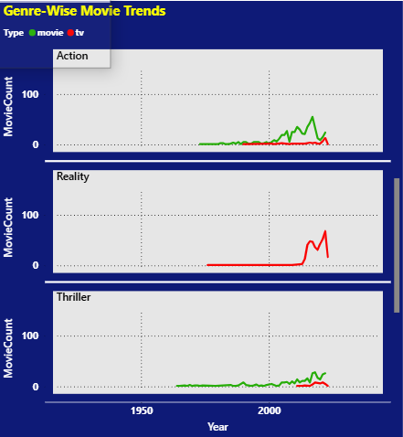
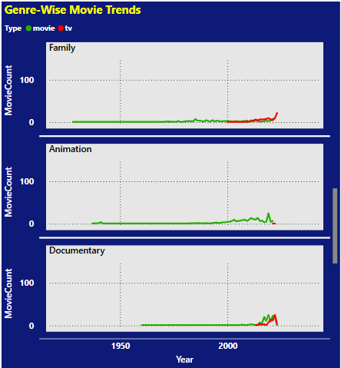
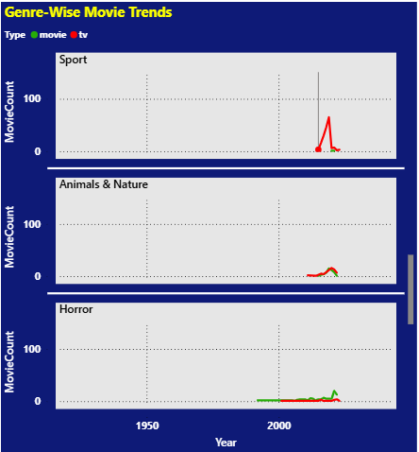
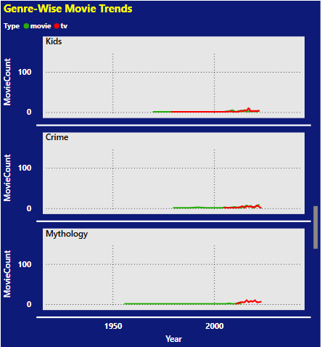
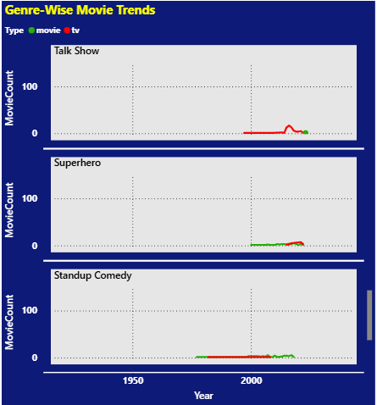
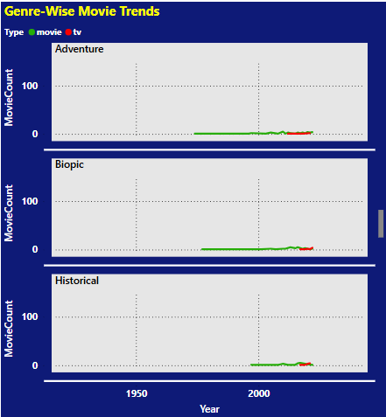
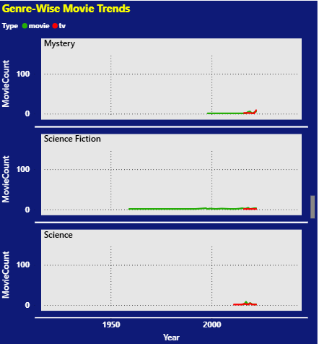
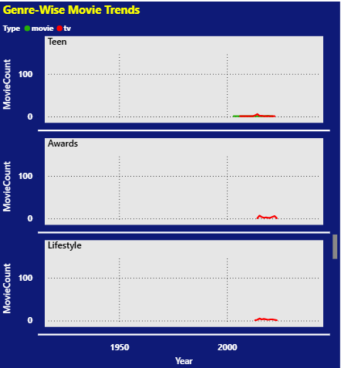
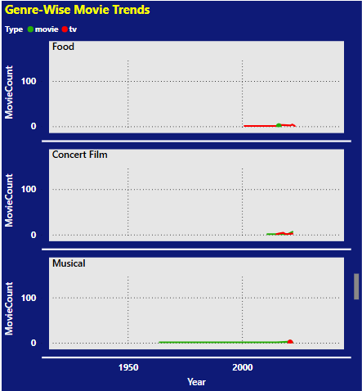
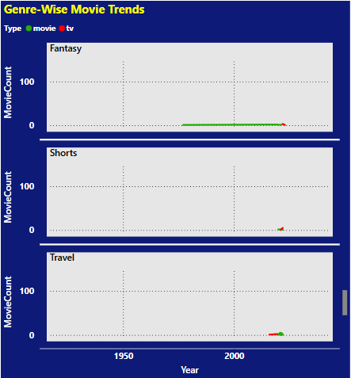
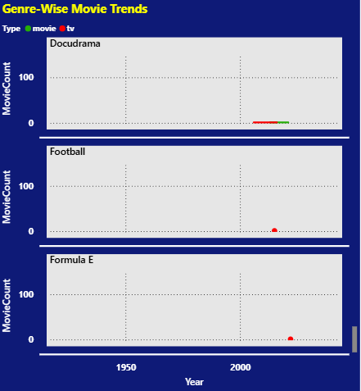
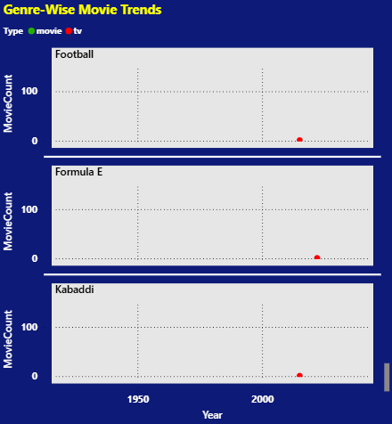
9. Genre Popularity Over Time:
- Create a line chart to show how the popularity of different genres has changed over time.

Task 12
12. Distribution of Running Time:
- show the distribution of running times for all movies.
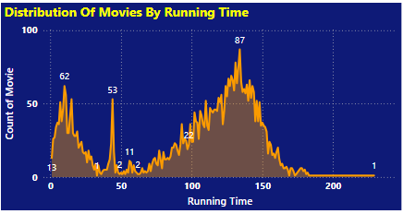

 | Movie Distribution Based On Running Time

 | Most Common Running Time:
 | The highest peak occurs around 130-140 minutes, where the count of movies reaches 87.
 | Another significant peak is seen around 10-40 minutes, with a count reaching 62.

 | Bimodal Distribution:
 | The distribution has two major peaks, one at shorter lengths (around 30-40 min) and another at longer lengths (120-140 min).
 | This could indicate two main categories of movies—short films and feature-length films.

 | Less Common Ranges:
 | There are fewer movies in the 50-90 minute range.
 | Very long movies (above 180 minutes) are rare, with only 1 movie at the 200-minute mark.

 | Typical Movie Lengths:
 | A large number of movies fall in the 80-150 minute range, indicating that most feature films are within this duration.

Task 13
13. Analysis of Specific Genres:
- Choose a specific genre (e.g., Action, Drama) and analyze various attributes like running time, year of release, age rating, etc.

 | Analysis of Movie Distribution By Running Time, Age Rating & Year Released for specific Genre (Drama):
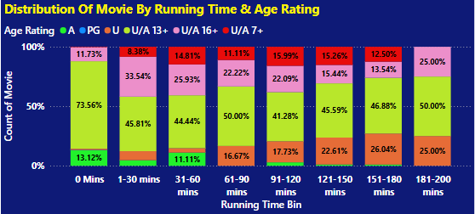
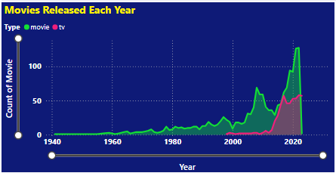



 | The category U/A 13+ has maximum movies across all running time bins.
 | Short movies (1-30 mins) mostly have U/A 13+ and U/A 16+ ratings.
 | Movie releases increased gradually from 1940 to 2000.
 | A sharp rise is seen after 2000, with a peak near 2020.
 | TV releases (pink line) also increased but are fewer than movies.

 | Analysis of Movie Distribution By Running Time, Age Rating & Year Released for specific Genre (Action):

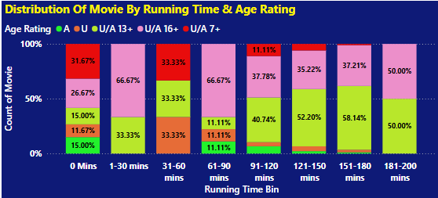
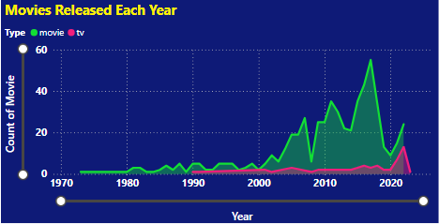


 | Short movies (1-30 Mins) & Mid Lenghth Movies (60-90 Mins) have majority in U/A 16+ ratings
 | Very long movies (181-200 min) tend to be for slightly older children (U/A 13+ and U/A 16+) rather than pure general audience (U).
 | The 31-60 min range is split more evenly, with movies falling under U, U/A 13+, and U/A 7+, suggesting mixed-age suitability.
 | Majority of U rated movies are in (120 -150 Mins) Category
 | The number of movies released each year has increased significantly since the 1990s, peaking around the late 2010s and early 2020s.
 | There was a noticeable dip in releases around 2020, possibly due to the COVID-19 pandemic.
 | TV releases (represented in pink) have remained consistently lower compared to movies.
 | While there is a slight increase over time, it is not as steep as the growth in movie releases.
 | The most significant spikes in movie releases occurred between 2010 and 2020, with a sharp peak followed by a decline.
 | Before 1990, movie releases were relatively low and steady, with only a gradual increase.

Dashboard
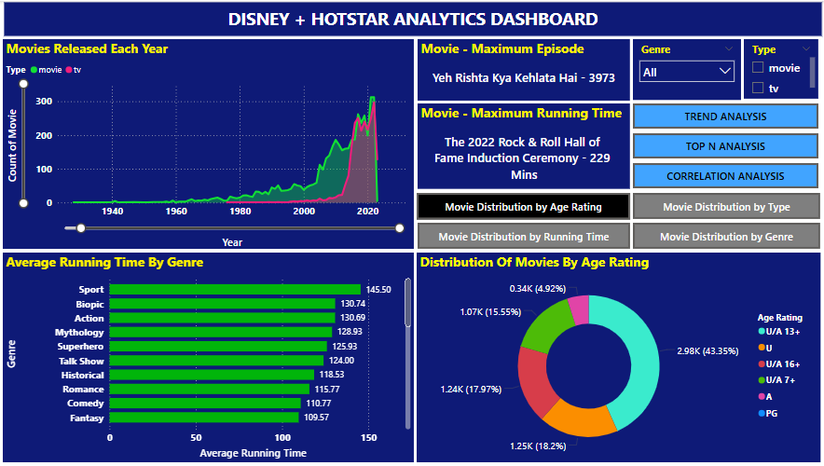
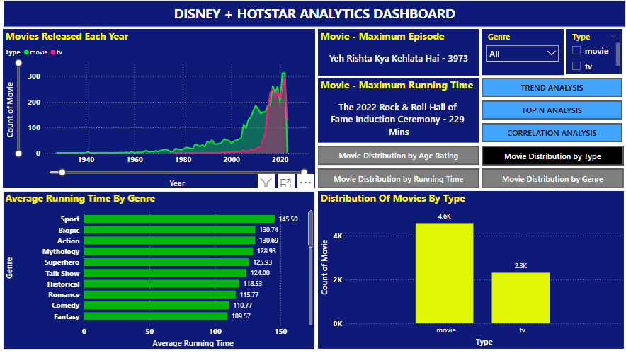
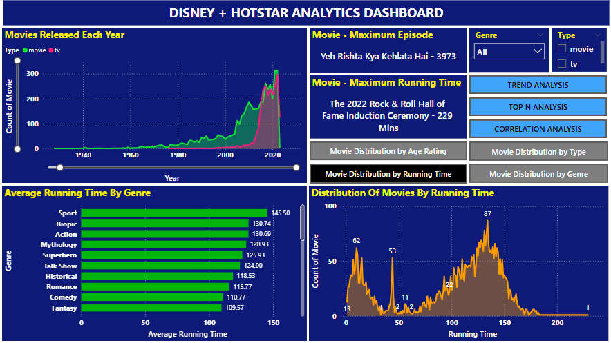
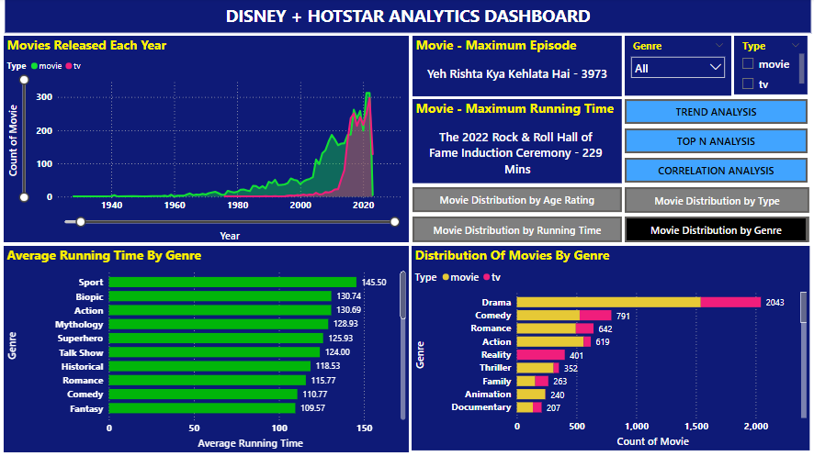
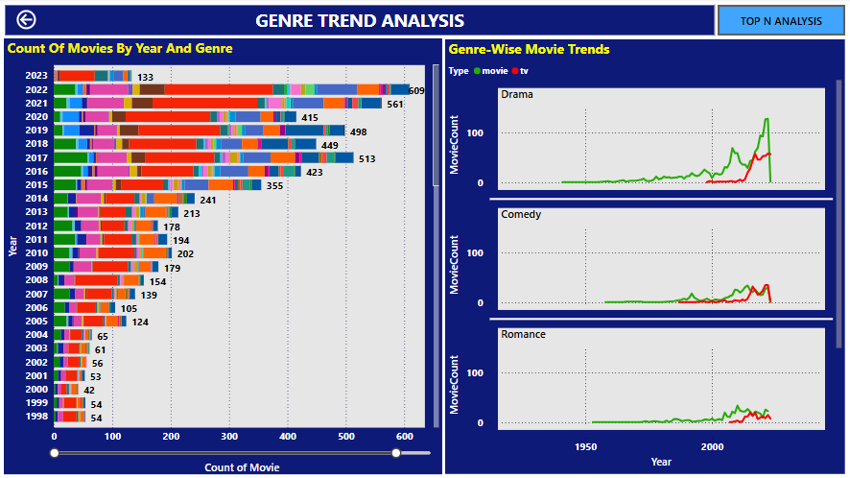
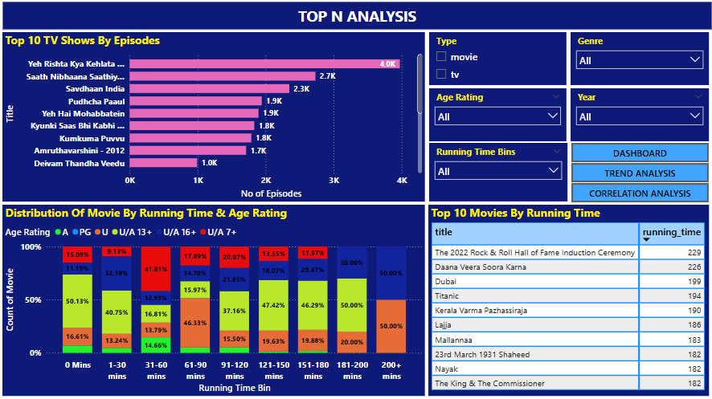
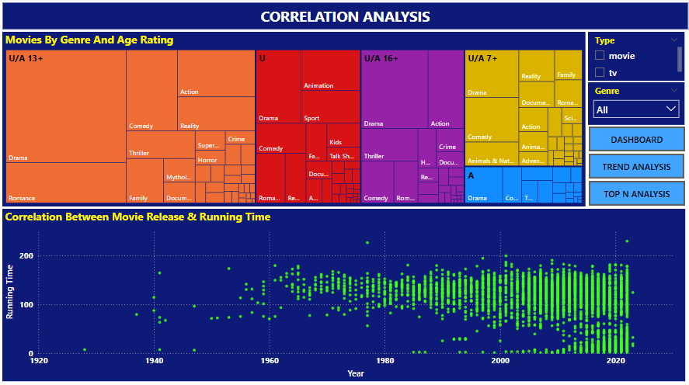
Dashboard

